Materials at ~525 C, 80 bar
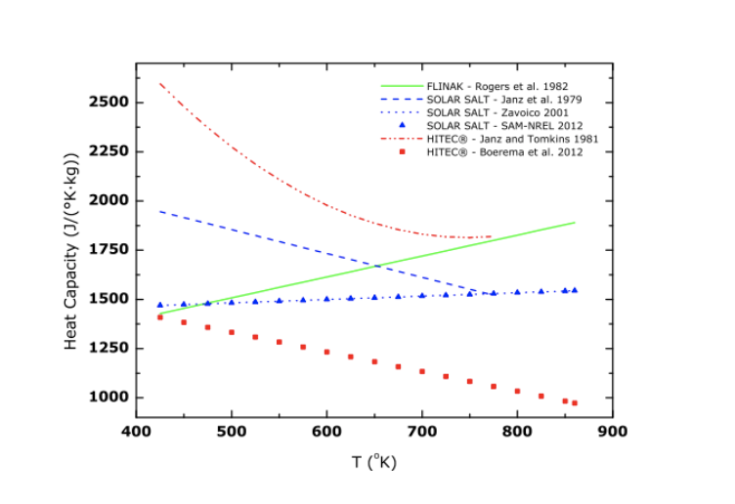
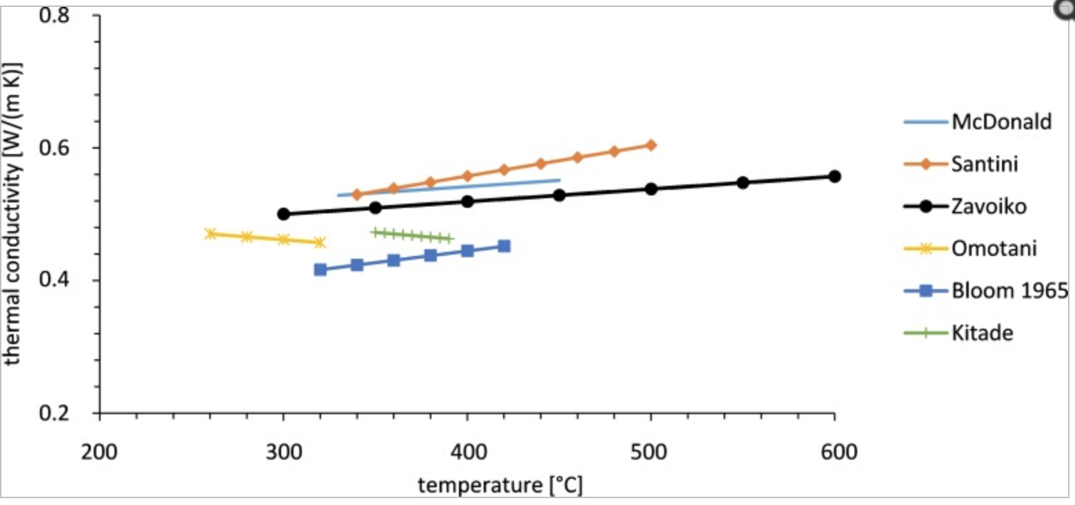
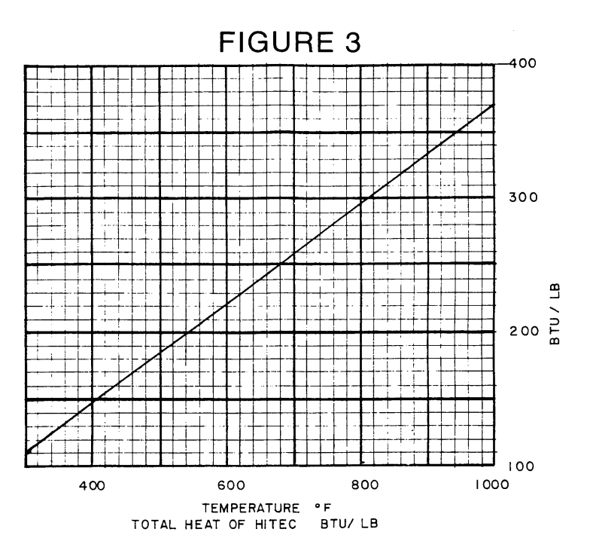
Properties at 525 C / 798 K / 977 F
This page is the same as the Materials (general) page, however material properties are tailored to ~525 C and 80 bar

 |  | May not be at 525
Material | Thermal Conductivity | Enthalpy of Fusion | Heat Capacity (J/kg K) | Density (kg/m^3) | Vapor Pressure (kPa) | Thermal Diffusivity (k/rho*Cp) (m^2/s) | Boiling Point | Melting Point | Other info
Solar Salt (NaNO3 KNO3) | .54 W/ mK |  | 1533.3 | 1756.1 |  | 2.0054755946E-07 | 567 C = 870 K | 495 K = 222 C
Hitec (NaNo3 NaNo2 KNO3) |  | From figure 3 below?? | ~1312.5 J/kgK or ~2187.5 J/kgK | 1695.3438 |  | 2.1571688628E-07 | 538 C = 811 K | 415 K = 142 C
Hitec XL (Calcium Nitrate Salt) |  |  |  |  |  |  | 500 C = 773 K | 120 C = 393 K
Glauber Salt (Na2So4 10H2O) |  |  | 0.8 BTU/lbF = 3349.44 J/kgK (above 90 F) |  |  |  | 330 C = 603 K | 32 C = 305 K | Not in range
Concrete |  |  |  |  |  |  | --- | ---
Therminol 66 | 0.05962525 |  | 3482.5872616 | 609.661025 | 1240.4184313 | 2.8082759063E-08 | 359 C = 632 K |  | Not in range , actual operating range is -85 C to 400 C
Dowtherm A |  |  |  |  |  |  | 400 C = 673 K | 15 C = 288 K | At max operating temperature the pressure is 11 bar; also, not in range

